THE ORDINARY
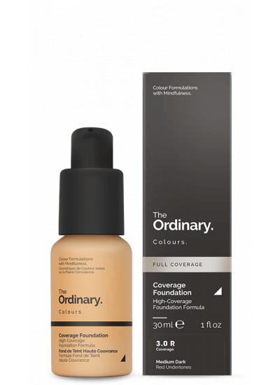
Product Shade | Barcodes | Sku | Size | Case Size | Units | PPI | PICTURE
Medium Dark Undertone | 769915193374 | Foundation | 30ml | 120 | 4377 | 10.50 € | 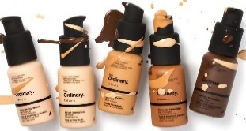
Medium Dark Undertone | 769915192742 | Foundation | 30ml | 120 | 2678 | 10.50 €
Very Fair Undertone | 769915192957 | Foundation | 30ml | 120 | 5776 | 10.50 €
Very Fair Pink Undertone | 769915192322 | Foundation | 30ml | 120 | 687 | 10.50 €
Dark Yellow Undertone | 769915193466 | Foundation | 30ml | 120 | 760 | 10.50 €
Medium Oak Yellow Undertone | 769915192773 | Foundation | 30ml | 120 | 1783 | 10.50 €
Deep Red Undertone | 769915193527 | Foundation | 30ml | 120 | 1990 | 10.50 €
3.1R Full Coverage | 769915193435 | Foundation | 30ml | 120 | 1155 | 10.50 €
3.2N Full Coverage | 769915193497 | Foundation | 30ml | 120 | 4297 | 10.50 €
Total |  |  |  |  | 23503

